Sheet1
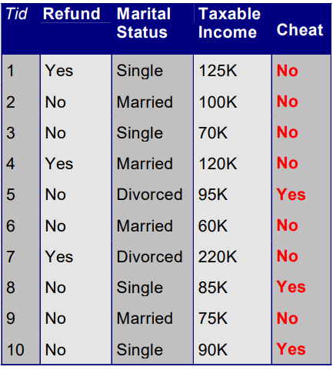

 | Cheat |  |  |  | Cheat |  |  | Cheat
Refund | Yes | No |  | Marital | Yes | No | Tax | Yes | No
Yes | 0 | 3 |  | Single | 2 | 2 | >80K | 3 | 4
No | 3 | 4 |  | Married | 0 | 4 | <=80K | 0 | 3
Gini(R=Yes) | 0 |  |  | Divorced | 1 | 1 | Gini(R=Yes) | 0.48979591837
Gini(R=No) | 0.48979591837 |  |  | Gini(M=Single) | 0.5 |  | Gini(R=No) | 0
Gini split(Refund) | 0.34285714286 |  |  | Gini(M=Married) | 0 |  | Gini split(Refund) | 0.34285714286
 |  |  |  | Gini(M=Divorced) | 0.5
 |  |  |  | Gini split(MS) | 0.3

 | Refund | MS | Tax | Cheat
1 | Yes | Single | 125K | No
3 | No | Single | 70K | No
8 | No | Single | 85K | Yes
10 | No | Single | 90K | Yes

 | Cheat |  |  |  | Cheat
Refund | Yes | No |  | Tax | Yes | No
Yes | 0 | 1 |  | >80K | 2 | 1
No | 2 | 1 |  | <=80K | 0 | 1
Gini(R=Yes) | 0 |  |  | Gini(R=Yes) | 0.44444444444
Gini(R=No) | 0.44444444444 |  |  | Gini(R=No) | 0
Gini split(Refund) | 0.33333333333 |  |  | Gini split(Refund) | 0.33333333333

